Data Visualization
 | Total
Pharyngitis due to Streptococcus Pyogenes | 18
endometriosis | 18
gout | 22
hypercholesterolemia | 22
hemorrhoids | 25
gastroesophageal reflux disease | 39
Bacterial Urinary Tract Infection | 42
fever | 45
Atopic Dermatitis | 59
hypertension | 92
 | Total
colorectal cancer | 1
meniere's disease | 1
biliary calculus | 1
Influenza | 2
Sleepiness Due To Obstructive Sleep Apnea | 2
pyelonephritis | 2
oral candidiasis | 3
chickenpox | 3
scabies | 3
Infantile Autism | 3
furunculosis | 3
 | Total
Effective | 284
More Effective | 233
Slightly Effective | 159
UnEffective | 114
 | Total
Off Label | 107
On Label | 404

 | Average of Effective | Average of EaseOfUse | Average of Satisfaction
Acebutolol | 3.75 | 4.33 | 4.20
Acetaminophen | 3.90 | 4.04 | 3.75
Acetaminophen-Caffeine | 5.00 | 4.88 | 4.88
Acetaminophen-DM | 5.00 | 5.00 | 5.00
Acetaminophen-Pamabrom, Ibuprofen | 5.00 | 5.00 | 5.00
Acetazolamide | 3.61 | 3.34 | 2.89
Acetohydroxamic Acid | 2.50 | 4.00 | 2.00
Acyclovir | 3.92 | 3.72 | 3.68
Acyclovir Sodium | 5.00 | 4.50 | 5.00
Acyclovir-Hydrocortisone | 4.57 | 4.79 | 4.43
Al Hyd-Mg Tr-Alg Ac-Sod Bicarb | 3.00 | 3.00 | 1.00
Al Hyd-Mg Tr-Alg Ac-Sod Bicarb, Aluminum Hydrox-Magnesium Carb, Aluminum-Magnesium-Alginate, Calcium Carbonate | 4.75 | 4.75 | 3.75
Al Hyd-Mg Tr-Alg Ac-Sod Bicarb, Magaldrate, Aluminum-Magnesium Hydroxide, Calcium Carbonate-Mag Hydroxid, Aluminum Hydrox-Magnesium Carb, Calcium And Magnesium Carbonat, Aluminum-Magnesium-Alginate, Calcium Carbonate, Dihydroxyaluminum Sod Carb, Alum-Mag H | 5.00 | 5.00 | 5.00
Alclometasone | 4.50 | 5.00 | 4.50
Alirocumab | 4.29 | 4.43 | 3.86
Aliskiren | 3.09 | 4.03 | 2.63
Aluminum Hydroxide Gel | 5.00 | 5.00 | 5.00
Aluminum Hydrox-Magnesium Carb | 4.88 | 4.75 | 4.88
Aluminum-Magnesium Hydroxide, Aluminum Hydrox-Magnesium Carb, Dihydroxyaluminum Sod Carb, Alum-Mag Hydroxide-Simeth | 3.00 | 5.00 | 3.00
Aluminum-Magnesium Hydroxide, Alum-Mag Hydroxide-Simeth | 4.00 | 4.00 | 4.00
Aluminum-Magnesium Hydroxide, Calcium Carbonate, Alum-Mag Hydroxide-Simeth | 5.00 | 5.00 | 5.00
Aluminum-Magnesium Hydroxide, Calcium Carbonate-Mag Hydroxid, Calcium And Magnesium Carbonat, Calcium Carbonate, Alum-Mag Hydroxide-Simeth | 4.50 | 4.67 | 4.33
Alum-Mag Hydroxide-Simeth | 4.36 | 4.00 | 3.50
Alum-Mag Hydroxide-Simeth, Calcium Carbonate-Simethicone | 5.00 | 5.00 | 5.00
Amcinonide | 5.00 | 5.00 | 5.00
Amiloride-Hydrochlorothiazide | 2.50 | 2.67 | 2.17
Amitriptyline | 3.17 | 4.09 | 2.89
Amlodipine | 3.27 | 3.92 | 2.61
Amlodipine-Atorvastatin | 3.78 | 4.13 | 3.57
Amlodipine-Benazepril | 3.81 | 4.20 | 3.19
Amlodipine-Olmesartan | 3.45 | 4.19 | 2.47
Amlodipine-Valsartan | 3.86 | 4.14 | 3.17
Amlodipine-Valsartan-Hcthiazid | 3.74 | 4.13 | 3.41
Amoxapine | 4.50 | 5.00 | 4.25
Amoxicillin | 3.70 | 3.75 | 3.22
Amoxicillin-Pot Clavulanate | 3.04 | 3.18 | 2.32
Ampicillin | 3.00 | 2.63 | 2.00
Ampicillin Sodium | 5.00 | 5.00 | 5.00
Ampicillin-Sulbactam | 5.00 | 5.00 | 5.00
Aripiprazole | 2.70 | 3.33 | 2.64
Armodafinil | 3.95 | 4.18 | 3.63
ASA-Acetaminophen-Salicyl-Caff | 3.62 | 3.23 | 3.58
ASA-Acetaminophen-Salicyl-Caff, Mg Salicylat-Acetaminophen-Caf | 2.60 | 3.00 | 2.80
Aspirin | 4.06 | 4.68 | 4.37
Aspirin, Buffered | 4.17 | 4.58 | 4.50
Aspirin-Acetaminophen-Caffeine | 5.00 | 5.00 | 4.00
Aspirin-Calcium Carbonate | 5.00 | 5.00 | 5.00
Atenolol | 3.81 | 4.60 | 3.51
Atenolol-Chlorthalidone | 3.86 | 4.40 | 3.00
Atorvastatin | 3.35 | 3.82 | 2.50
...
 | Total
OTC | 129
RX | 353
RX/OTC | 25

Dashboard
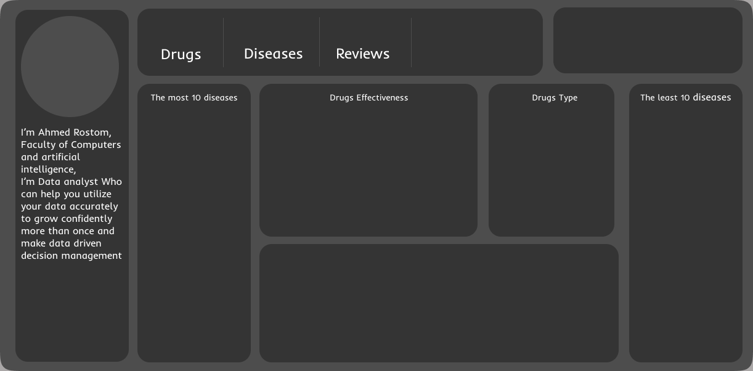

 | Total
OTC | 129
RX | 353
RX/OTC | 25
439
37
113K

 | Total
Effective | 284
More Effective | 233
Slightly Effective | 159
UnEffective | 114
 | Total
Pharyngitis due to Streptococcus Pyogenes | 18
endometriosis | 18
gout | 22
hypercholesterolemia | 22
hemorrhoids | 25
gastroesophageal reflux disease | 39
Bacterial Urinary Tract Infection | 42
fever | 45
Atopic Dermatitis | 59
hypertension | 92
 | Total
Off Label | 107
On Label | 404
 | Total
colorectal cancer | 1
meniere's disease | 1
biliary calculus | 1
Influenza | 2
Sleepiness Due To Obstructive Sleep Apnea | 2
pyelonephritis | 2
oral candidiasis | 3
chickenpox | 3
scabies | 3
Infantile Autism | 3
furunculosis | 3

 | Average of Effective | Average of EaseOfUse | Average of Satisfaction
Acebutolol | 3.75 | 4.33 | 4.20
Acetaminophen | 3.90 | 4.04 | 3.75
Acetaminophen-Caffeine | 5.00 | 4.88 | 4.88
Acetaminophen-DM | 5.00 | 5.00 | 5.00
Acetaminophen-Pamabrom, Ibuprofen | 5.00 | 5.00 | 5.00
Acetazolamide | 3.61 | 3.34 | 2.89
Acetohydroxamic Acid | 2.50 | 4.00 | 2.00
Acyclovir | 3.92 | 3.72 | 3.68
Acyclovir Sodium | 5.00 | 4.50 | 5.00
Acyclovir-Hydrocortisone | 4.57 | 4.79 | 4.43
Al Hyd-Mg Tr-Alg Ac-Sod Bicarb | 3.00 | 3.00 | 1.00
Al Hyd-Mg Tr-Alg Ac-Sod Bicarb, Aluminum Hydrox-Magnesium Carb, Aluminum-Magnesium-Alginate, Calcium Carbonate | 4.75 | 4.75 | 3.75
Al Hyd-Mg Tr-Alg Ac-Sod Bicarb, Magaldrate, Aluminum-Magnesium Hydroxide, Calcium Carbonate-Mag Hydroxid, Aluminum Hydrox-Magnesium Carb, Calcium And Magnesium Carbonat, Aluminum-Magnesium-Alginate, Calcium Carbonate, Dihydroxyaluminum Sod Carb, Alum-Mag H | 5.00 | 5.00 | 5.00
Alclometasone | 4.50 | 5.00 | 4.50
Alirocumab | 4.29 | 4.43 | 3.86
Aliskiren | 3.09 | 4.03 | 2.63
Aluminum Hydroxide Gel | 5.00 | 5.00 | 5.00
Aluminum Hydrox-Magnesium Carb | 4.88 | 4.75 | 4.88
Aluminum-Magnesium Hydroxide, Aluminum Hydrox-Magnesium Carb, Dihydroxyaluminum Sod Carb, Alum-Mag Hydroxide-Simeth | 3.00 | 5.00 | 3.00
Aluminum-Magnesium Hydroxide, Alum-Mag Hydroxide-Simeth | 4.00 | 4.00 | 4.00
Aluminum-Magnesium Hydroxide, Calcium Carbonate, Alum-Mag Hydroxide-Simeth | 5.00 | 5.00 | 5.00
Aluminum-Magnesium Hydroxide, Calcium Carbonate-Mag Hydroxid, Calcium And Magnesium Carbonat, Calcium Carbonate, Alum-Mag Hydroxide-Simeth | 4.50 | 4.67 | 4.33
Alum-Mag Hydroxide-Simeth | 4.36 | 4.00 | 3.50
Alum-Mag Hydroxide-Simeth, Calcium Carbonate-Simethicone | 5.00 | 5.00 | 5.00
Amcinonide | 5.00 | 5.00 | 5.00
Amiloride-Hydrochlorothiazide | 2.50 | 2.67 | 2.17
Amitriptyline | 3.17 | 4.09 | 2.89
Amlodipine | 3.27 | 3.92 | 2.61
Amlodipine-Atorvastatin | 3.78 | 4.13 | 3.57
Amlodipine-Benazepril | 3.81 | 4.20 | 3.19
Amlodipine-Olmesartan | 3.45 | 4.19 | 2.47
Amlodipine-Valsartan | 3.86 | 4.14 | 3.17
Amlodipine-Valsartan-Hcthiazid | 3.74 | 4.13 | 3.41
Amoxapine | 4.50 | 5.00 | 4.25
Amoxicillin | 3.70 | 3.75 | 3.22
Amoxicillin-Pot Clavulanate | 3.04 | 3.18 | 2.32
Ampicillin | 3.00 | 2.63 | 2.00
Ampicillin Sodium | 5.00 | 5.00 | 5.00
Ampicillin-Sulbactam | 5.00 | 5.00 | 5.00
Aripiprazole | 2.70 | 3.33 | 2.64
Armodafinil | 3.95 | 4.18 | 3.63
ASA-Acetaminophen-Salicyl-Caff | 3.62 | 3.23 | 3.58
ASA-Acetaminophen-Salicyl-Caff, Mg Salicylat-Acetaminophen-Caf | 2.60 | 3.00 | 2.80
Aspirin | 4.06 | 4.68 | 4.37
Aspirin, Buffered | 4.17 | 4.58 | 4.50
Aspirin-Acetaminophen-Caffeine | 5.00 | 5.00 | 4.00
Aspirin-Calcium Carbonate | 5.00 | 5.00 | 5.00
Atenolol | 3.81 | 4.60 | 3.51
Atenolol-Chlorthalidone | 3.86 | 4.40 | 3.00
Atorvastatin | 3.35 | 3.82 | 2.50
...

